Figure 1
Global overview of access to employment and labour underutilization, 2019
Working-age population: 5.7 billion
2 billion informal employment (35%)
1.3 billion formal (22%)
Group | Number of persons (millions)
Working-age population | 5,700
Informal employment | 2,000
Formal employment | 1,300
Employed | 3,300
Employed: 3.3 billion (57%)
Out of labour force: 2.3 billion (39%)
Out of labour force | 2,300
Total labour underutilization | 473
Total labour
underutilization:
473 million
Time-related Underemployment | 165
Unemployed | 188
Time-related
Underemployment:
165 million (35%)
Unemployed:
188 million (40%)
Potential
labour force:
119 million (25%)
Potential labour force | 119

Youth working-age population (15-24 years): 1.2 billion
Group | Number of persons (millions)
Youth working-age population (15-24 years) | 1,200
Youth in employment | 429
Youth in employment:
429 million (36%)
Youth in education or training (not employed): 509 million (42%)
Youth not in employment, education or training: 267 million (22%)
Youth in education or training (not employed) | 509
Youth not in employment, education or training | 267

Note: Persons in time-related underemployment are employed persons whose working time is insufficient in relation to a more desirable employment situation in which they are willing and available to engage. The potential labour force consists of people who were actively seeking employment, were not available to start work in the reference week, but would become available within a short subsequent period (unavailable jobseekers), or who were not actively seeking employment but wanted to work and were available in the reference week (available potential jobseekers). Young people in employment may simultaneously be in education or training.
Source: ILOSTAT, ILO modelled estimates, November 2019.

Figure 2
X.1 | Share of the world's employed living in countries with required workplace closures for all but essential workplaces | Share of the world's employed living in countries with recommended workplace closures | Share of the world's employed living in countries with required workplace closures for some sectors or categories of workers
2020-01-01 | 0 | 0 | 0
2020-01-02 | 0 | 0 | 0
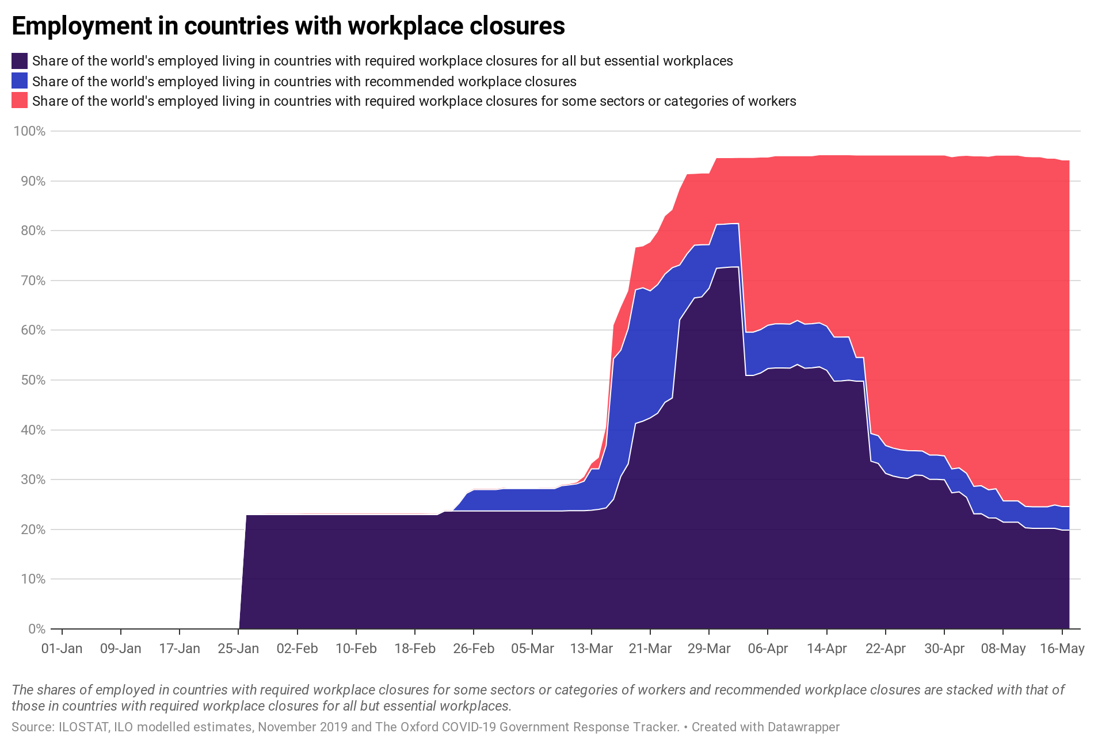
2020-01-03 | 0 | 0 | 0
2020-01-04 | 0 | 0 | 0
2020-01-05 | 0 | 0 | 0
2020-01-06 | 0 | 0 | 0
2020-01-07 | 0 | 0 | 0
2020-01-08 | 0 | 0 | 0
2020-01-09 | 0 | 0 | 0
2020-01-10 | 0 | 0 | 0
2020-01-11 | 0 | 0 | 0
2020-01-12 | 0 | 0 | 0
2020-01-13 | 0 | 0 | 0
2020-01-14 | 0 | 0 | 0
2020-01-15 | 0 | 0 | 0
2020-01-16 | 0 | 0 | 0
2020-01-17 | 0 | 0 | 0
2020-01-18 | 0 | 0 | 0
2020-01-19 | 0 | 0 | 0
2020-01-20 | 0 | 0 | 0
2020-01-21 | 0 | 0 | 0
2020-01-22 | 0 | 0 | 0
2020-01-23 | 0 | 0 | 0
2020-01-24 | 0 | 0 | 0
2020-01-25 | 0 | 0 | 0 | Data and graph also available via datawrapper: https://www.datawrapper.de/_/5XCHv/
2020-01-26 | 22.98360572 | 0 | 0
2020-01-27 | 22.98360572 | 0 | 0.037978111
2020-01-28 | 22.98360572 | 0.11248492 | 0.037978111
2020-01-29 | 22.98360572 | 0 | 0.150463032
2020-01-30 | 22.98360572 | 0 | 0.150463032
2020-01-31 | 22.98360572 | 0 | 0.150463032
2020-02-01 | 22.98360572 | 0 | 0.150463032
2020-02-02 | 22.98360572 | 0 | 0.150463032
2020-02-03 | 22.98360572 | 0 | 0.161903499
2020-02-04 | 22.98360572 | 0 | 0.161903499
2020-02-05 | 22.98360572 | 0 | 0.161903499
2020-02-06 | 22.98360572 | 0 | 0.161903499
2020-02-07 | 22.98360572 | 0 | 0.161903499
2020-02-08 | 22.98360572 | 0 | 0.161903499
2020-02-09 | 22.98360572 | 0 | 0.161903499
2020-02-10 | 22.98360572 | 0 | 0.161903499
2020-02-11 | 22.98360572 | 0 | 0.161903499
2020-02-12 | 22.98360572 | 0 | 0.161903499
2020-02-13 | 22.98360572 | 0 | 0.161903499
2020-02-14 | 22.98360572 | 0 | 0.161903499
2020-02-15 | 22.98360572 | 0 | 0.161903499
2020-02-16 | 22.98360572 | 0 | 0.161903499
2020-02-17 | 22.98360572 | 0 | 0.161903499
2020-02-18 | 22.98360572 | 0 | 0.161903499
2020-02-19 | 22.98360572 | 0 | 0.161903499
2020-02-20 | 22.98360572 | 0 | 0.150463032
2020-02-21 | 22.98360572 | 0 | 0.150463032
2020-02-22 | 23.68804908 | 0 | 0.150463032
2020-02-23 | 23.68804908 | 0 | 0.150463032
2020-02-24 | 23.68804908 | 1.549986941 | 0.150463032
2020-02-25 | 23.68804908 | 3.552875796 | 0.150463032
2020-02-26 | 23.68804908 | 4.301579934 | 0.150463032
2020-02-27 | 23.68804908 | 4.301579934 | 0.150463032
2020-02-28 | 23.68804908 | 4.301579934 | 0.150463032
2020-02-29 | 23.68804908 | 4.301579934 | 0.150463032
2020-03-01 | 23.68804908 | 4.504700948 | 0.150463032
2020-03-02 | 23.68804908 | 4.504700948 | 0.037978111
2020-03-03 | 23.68804908 | 4.504700948 | 0.037978111
2020-03-04 | 23.68804908 | 4.504700948 | 0.037978111
2020-03-05 | 23.68804908 | 4.504700948 | 0.037978111
2020-03-06 | 23.68804908 | 4.504700948 | 0.136521283
2020-03-07 | 23.68804908 | 4.504700948 | 0.136521283
2020-03-08 | 23.68804908 | 4.504700948 | 0.136521283
2020-03-09 | 23.68804908 | 5.103246657 | 0.171244048
2020-03-10 | 23.75365192 | 5.186290985 | 0.171244048
2020-03-11 | 23.75365192 | 5.388687292 | 0.284825895
2020-03-12 | 23.75365192 | 5.944568808 | 0.881838722
2020-03-13 | 23.85838783 | 8.29882163 | 1.042427678
2020-03-14 | 24.01897678 | 8.130513075 | 2.25907785
2020-03-15 | 24.31166184 | 12.54886619 | 3.720566633
2020-03-16 | 26.04539217 | 28.20139456 | 6.765153798
2020-03-17 | 30.6538901 | 25.33879235 | 8.630438221
2020-03-18 | 33.16271535 | 27.18515406 | 7.550172355
2020-03-19 | 41.28515411 | 26.85096953 | 8.486977691
2020-03-20 | 41.74965497 | 26.77216739 | 8.317682898
2020-03-21 | 42.4024911 | 25.51827338 | 9.720809858
2020-03-22 | 43.32866478 | 25.84002972 | 10.57838699
2020-03-23 | 45.52046809 | 25.761735 | 11.61662142
2020-03-24 | 46.4125101 | 26.14431235 | 11.61662142
2020-03-25 | 62.07322046 | 11.02904789 | 15.24405167
2020-03-26 | 64.29331723 | 11.02904789 | 16.00712235
2020-03-27 | 66.48986892 | 10.59053204 | 14.31542159
2020-03-28 | 66.6956525 | 10.46505988 | 14.31542159
2020-03-29 | 68.41790167 | 8.765691823 | 14.29254048
2020-03-30 | 72.42974533 | 8.80031912 | 13.34379092
2020-03-31 | 72.57479213 | 8.715947075 | 13.28311617
2020-04-01 | 72.69567874 | 8.710779801 | 13.16739684
2020-04-02 | 72.7228507 | 8.710779801 | 13.16739684
2020-04-03 | 50.91458638 | 8.710779801 | 34.98598831
2020-04-04 | 50.91458638 | 8.710779801 | 34.98598831
2020-04-05 | 51.41608733 | 8.710779801 | 34.56355978
2020-04-06 | 52.29803313 | 8.710779801 | 33.68161398
2020-04-07 | 52.41333437 | 8.861382005 | 33.68161398
2020-04-08 | 52.41333437 | 8.861382005 | 33.68161398
2020-04-09 | 52.38280248 | 8.861382005 | 33.71214588
2020-04-10 | 53.11958138 | 8.861382005 | 32.97536698
2020-04-11 | 52.37087724 | 8.861382005 | 33.72407111
2020-04-12 | 52.4560217 | 8.861382005 | 33.63892666
2020-04-13 | 52.63922058 | 8.861382005 | 33.63892666
2020-04-14 | 51.9404604 | 8.861382005 | 34.33768684
2020-04-15 | 49.76007433 | 8.861382005 | 36.5180729
2020-04-16 | 49.83795319 | 8.801168471 | 36.50040758
2020-04-17 | 49.97822825 | 8.673554971 | 36.51073473
2020-04-18 | 49.76534514 | 4.760802204 | 40.55729818
2020-04-19 | 49.76534514 | 4.760802204 | 40.55729818
2020-04-20 | 33.70771898 | 5.563004081 | 55.81272246
2020-04-21 | 33.24914781 | 5.563004081 | 56.27129363
2020-04-22 | 31.25163465 | 5.60459177 | 58.22721911
2020-04-23 | 30.72240757 | 5.60459177 | 58.75644619
2020-04-24 | 30.39167372 | 5.60459177 | 59.08718004
2020-04-25 | 30.23340253 | 5.60459177 | 59.24545122
2020-04-26 | 30.92008396 | 4.880485737 | 59.28287583
2020-04-27 | 30.84293871 | 4.885653011 | 59.3548538
2020-04-28 | 30.04053795 | 4.885653011 | 60.15725456
2020-04-29 | 30.04053795 | 4.885653011 | 60.15725456
2020-04-30 | 29.96696872 | 4.802608683 | 60.31386812
2020-05-01 | 27.34059941 | 4.802608683 | 62.60100026
2020-05-02 | 27.54510628 | 4.802608683 | 62.60100026
2020-05-03 | 26.45916446 | 4.802608683 | 63.76601451
2020-05-04 | 23.12966784 | 5.511210849 | 66.27072895
2020-05-05 | 23.16125546 | 5.605831899 | 66.14452028
2020-05-06 | 22.31895404 | 5.628713013 | 66.88486816
2020-05-07 | 22.29347311 | 5.866323837 | 66.91034909
2020-05-08 | 21.46087196 | 4.267761743 | 69.34151234
2020-05-09 | 21.46087196 | 4.267761743 | 69.34151234
2020-05-10 | 21.44306812 | 4.267761743 | 69.35931617
2020-05-11 | 20.30972817 | 4.326678542 | 70.18091113
2020-05-12 | 20.20586739 | 4.326678542 | 70.21581506
2020-05-13 | 20.20586739 | 4.326678542 | 70.21581506
2020-05-14 | 20.20586739 | 4.326678542 | 69.92054654
2020-05-15 | 20.20586739 | 4.709769924 | 69.53745516
2020-05-16 | 19.87168287 | 4.709769924 | 69.53745516
2020-05-17 | 19.87168287 | 4.709769924 | 69.53745516

Figure 3
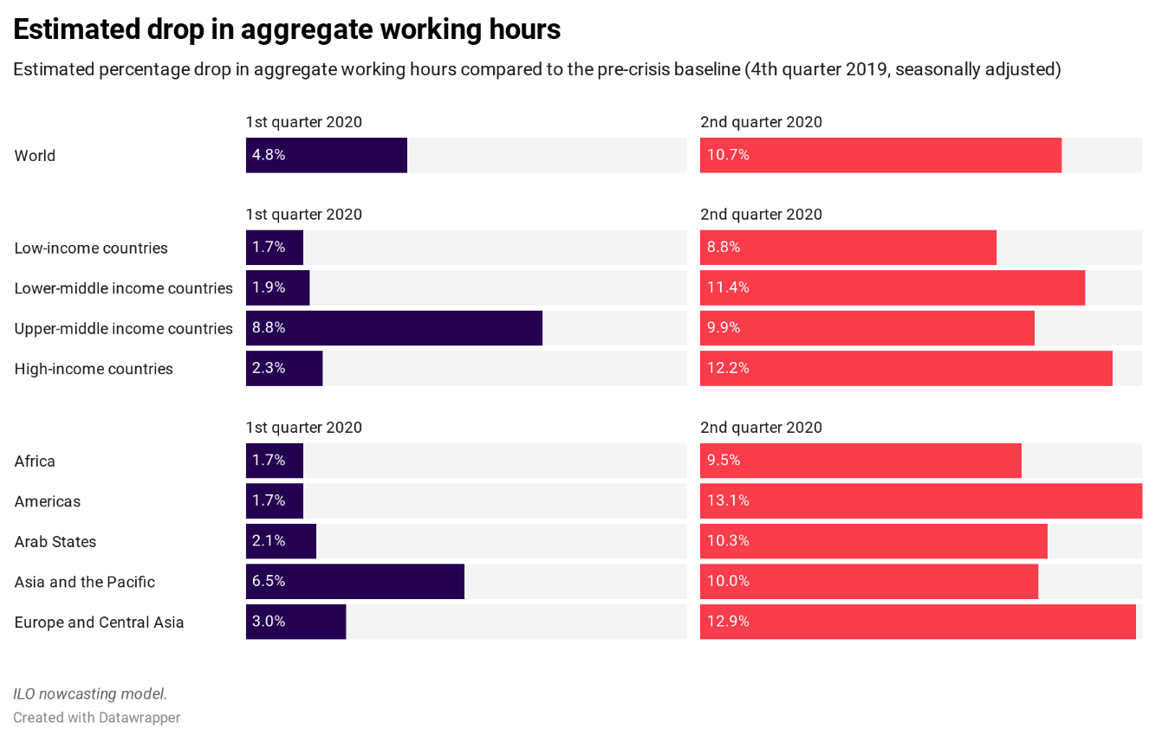
X.1 | X.2 | 1st quarter 2020 | 2nd quarter 2020
World | World | 4.8 | 10.7
Income group | Low-income countries | 1.7 | 8.8
Income group | Lower-middle income countries | 1.9 | 11.4
Income group | Upper-middle income countries | 8.8 | 9.9
Income group | High-income countries | 2.3 | 12.2
Region | Africa | 1.7 | 9.5
Region | Americas | 1.7 | 13.1
Region | Arab States | 2.1 | 10.3
Region | Asia and the Pacific | 6.5 | 10
Region | Europe and Central Asia | 3 | 12.9

 |  |  |  | Dara and graph also available via datawrapper: https://www.datawrapper.de/_/neBKQ/

Figure 4
Women and men in the informal economy impacted by the Covid-19 crisis:
Women are overrepresented in high risk sectors. Among informal economy workers significantly impacted by the crisis, women are over-represented in high risks sectors: 42 per cent work work in those sectors compared to 32 per cent of men.

World |  | High risk sectors | Medium-high risk sectors | Medium risk sectors | Low-medium risk sectors | Low risk
Significantly impacted | Men | 32 | 12 | 16 | 39 | 2
 | Women | 42 | 11 | 2 | 40 | 4

High income countries |  | High risk sectors | Medium-high risk sectors | Medium risk sectors | Low-medium risk sectors | Low risk
Significantly impacted | Men | 47 | 17 | 23 | 7 | 6
 | Women | 51 | 18 | 5 | 5 | 22

Upper middle income countries |  | High risk sectors | Medium-high risk sectors | Medium risk sectors | Low-medium risk sectors | Low risk
Significantly impacted | Men | 39 | 13 | 17 | 29 | 2
 | Women | 56 | 14 | 2 | 25 | 4

Lower middle income countries |  | High risk sectors | Medium-high risk sectors | Medium risk sectors | Low-medium risk sectors | Low risk
Significantly impacted | Men | 31 | 12 | 15 | 40 | 2
 | Women | 37 | 9 | 3 | 49 | 3

Low income countries |  | High risk sectors | Medium-high risk sectors | Medium risk sectors | Low-medium risk sectors | Low risk
Significantly impacted | Men | 17 | 7 | 8 | 67 | 1
 | Women | 28 | 10 | 2 | 60 | 1

Figure 6
CountryCode | E3_Fiscal measures in billions | CountryName | E3_Fiscal measures | H4_Emergency investment in healthcare | H5_Investment in vaccines
MAR | 3.000000152 | Morocco | 3000.000152 | 200 | 0
ABW | 0 | Aruba | 0 | 0 | 0
AFG | 0.127711935 | Afghanistan | 127.711935 | 234.97775 | 0
AGO | 0.009 | Angola | 9 | 40 | 0
ALB | 0.345 | Albania | 345 | 51 | 0
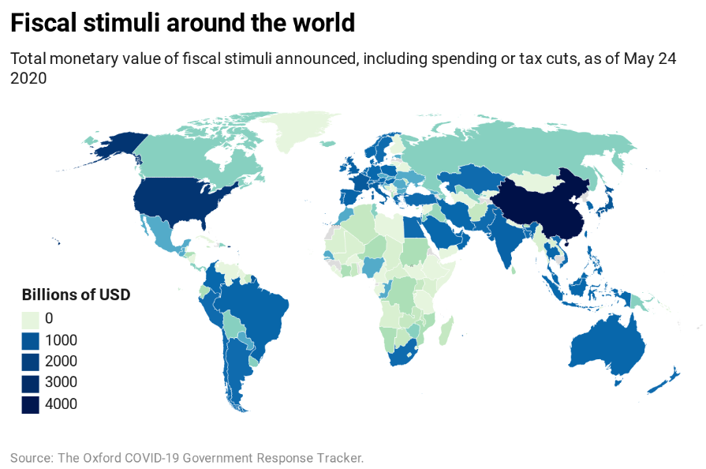
AND | 0.359649 | Andorra | 359.649 | 2.5095185 | 0
ARE | 70.36587611 | United Arab Emirates | 70365.87611 | 0 | 0
ARG | 10.54084382 | Argentina | 10540.84382 | 26 | 0
AUS | 130.8557415 | Australia | 130855.7415 | 1569.318696 | 7.473254
AUT | 41.74604047 | Austria | 41746.04047 | 0 | 1.085695
AZE | 0.600224996 | Azerbaijan | 600.2249959 | 0 | 0
BDI | 0 | Burundi | 0 | 0 | 0
BEL | 9.608192466 | Belgium | 9608.192466 | 1076.35 | 5.4275
BEN | 0 | Benin | 0 | 18.746094 | 0
BFA | 0 | Burkina Faso | 0 | 15.2348 | 0
BGD | 9.1539225 | Bangladesh | 9153.9225 | 29.55 | 0
BGR | 5.424 | Bulgaria | 5424 | 33.62359826 | 0
BHR | 2.07 | Bahrain | 2070 | 468.5 | 0
BIH | 0.075165 | Bosnia and Herzegovina | 75.165 | 16.4595 | 0
BLR | 0 | Belarus | 0 | 100 | 0
BLZ | 0.024901 | Belize | 24.901 | 0 | 0
BMU | 0.020621 | Bermuda | 20.621 | 2.8 | 0
BOL | 0.586313247 | Bolivia | 586.3132472 | 0 | 0
BRA | 185.8206995 | Brazil | 185820.6995 | 5598.758185 | 0
BRB | 0 | Barbados | 0 | 0 | 0 | Dara and graph also available via datawrapper: https://datawrapper.dwcdn.net/vjPBS/1/
BRN | 0.314 | Brunei | 314 | 7.686929 | 0
BTN | 0.3972813 | Bhutan | 397.2813 | 26.48542 | 0
BWA | 0.176163091 | Botswana | 176.163091 | 4.65 | 0
CAF | 0.0445 | Central African Republic | 44.5 | 44 | 0
CAN | 1.83786 | Canada | 1837.86 | 312.8627827 | 804.0864426
CHE | 84.37776702 | Switzerland | 84377.76702 | 830 | 5.335
CHL | 15.54 | Chile | 15540 | 1763.135132 | 0
CHN | 4301.158478 | China | 4301158.478 | 20806.6572 | 0
CIV | 0.313688023 | Cote d'Ivoire | 313.688023 | 78.2028 | 0
CMR | 0 | Cameroon | 0 | 0 | 0
COD | 0.36327 | Democratic Republic of Congo | 363.27 | 54.5 | 0
COG | 6.63265 | Congo | 6632.65 | 0.523161 | 0
COL | 25.71137655 | Colombia | 25711.37655 | 6152.881698 | 0
CPV | 0.0558895 | Cape Verde | 55.8895 | 0 | 0
CRI | 0.5032 | Costa Rica | 503.2 | 0 | 0
CUB | 0 | Cuba | 0 | 0 | 0
CYP | 0.463189265 | Cyprus | 463.189265 | 109.7605 | 0
CZE | 4.30442805 | Czech Republic | 4304.42805 | 121.5994017 | 0
DEU | 68.44294967 | Germany | 68442.94967 | 63051.99331 | 1521.521162
DJI | 0.00565 | Djibouti | 5.65 | 5 | 0
DMA | 0.008 | Dominica | 8 | 0 | 0
DNK | 43.18092255 | Denmark | 43180.92255 | 95.717352 | 0
DOM | 0.58 | Dominican Republic | 580 | 0 | 0
DZA | 0.170534452 | Algeria | 170.534452 | 200 | 0
ECU | 0.434114 | Ecuador | 434.114 | 464 | 0
EGY | 7.636 | Egypt | 7636 | 594.98 | 0
ESP | 254.5348021 | Spain | 254534.8021 | 4213.490754 | 26.589481
EST | 2.932070537 | Estonia | 2932.070537 | 0.325949 | 0
ETH | 0 | Ethiopia | 0 | 163.02527 | 0
FIN | 0.000536507 | Finland | 0.536507 | 0 | 5.543828
FRA | 758.0446275 | France | 758044.6275 | 4410.516971 | 599.791744
GAB | 0.000372417 | Gabon | 0.372417 | 2 | 0
GBR | 500.9469357 | United Kingdom | 500946.9357 | 6444.663713 | 309.6147591
GEO | 2.024190204 | Georgia | 2024.190204 | 218.332231 | 0
GHA | 0.103448274 | Ghana | 103.448274 | 100 | 0
GMB | 0.030526516 | Gambia | 30.526516 | 9.8265098 | 0
GRC | 7.3182462 | Greece | 7318.2462 | 2.681004 | 3.242505
GRL | 0 | Greenland | 0 | 0.29856972 | 0
GTM | 3.467628394 | Guatemala | 3467.628394 | 211.1428288 | 0
GUM | 0.141000115 | Guam | 141.000115 | 0 | 0
GUY | 0 | Guyana | 0 | 0 | 0
HKG | 38.01321738 | Hong Kong | 38013.21738 | 1340.747408 | 14.322225
HND | 0.42 | Honduras | 420 | 428.8 | 0
HRV | 5.424083935 | Croatia | 5424.083935 | 1275.7738 | 3.292815
HUN | 63.98967347 | Hungary | 63989.67347 | 2641.475445 | 0
IDN | 24.65 | Indonesia | 24650 | 0 | 0
IND | 291.7310657 | India | 291731.0657 | 1264.2 | 13.20568
IRL | 13.40983766 | Ireland | 13409.83766 | 1099.413865 | 19.633914
IRN | 25.08764947 | Iran | 25087.64947 | 0 | 0
IRQ | 0.50293378 | Iraq | 502.93378 | 50.420168 | 0
ISL | 1.60288414 | Iceland | 1602.88414 | 0 | 0
ISR | 26.69728724 | Israel | 26697.28724 | 3081.676 | 60.000043
ITA | 527.6408438 | Italy | 527640.8438 | 3500 | 0
JAM | 0.182257 | Jamaica | 182.257 | 0 | 0
JOR | 0.705 | Jordan | 705 | 0 | 0
JPN | 995.1215209 | Japan | 995121.5209 | 17330.15009 | 0
KAZ | 12.034 | Kazakhstan | 12034 | 203.488197 | 0
KEN | 0.01878 | Kenya | 18.78 | 0 | 0
KGZ | 0 | Kyrgyz Republic | 0 | 0 | 0
KOR | 219.512237 | South Korea | 219512.237 | 17.7 | 174.1
KWT | 1.6 | Kuwait | 1600 | 51200 | 0
LAO | 0.035814206 | Laos | 35.814206 | 7.7 | 0
LBN | 0 | Lebanon | 0 | 45 | 0
LBR | 0 | Liberia | 0 | 0 | 0
LBY | 0 | Libya | 0 | 54 | 0
LKA | 0.500534736 | Sri Lanka | 500.534736 | 133.6 | 0
LSO | 0.06615215 | Lesotho | 66.15215 | 945.2 | 0
LTU | 0 | Lithuania | 0 | 0 | 0
LUX | 9.988204551 | Luxembourg | 9988.204551 | 32.928146 | 0
MAC | 1.2524 | Macao | 1252.4 | 0 | 0
MDA | 0.1785 | Moldova | 178.5 | 0 | 0
MDG | 0.166 | Madagascar | 166 | 3.7 | 0
MEX | 5.025125628 | Mexico | 5025.125628 | 7340 | 0
MLI | 0.0258 | Mali | 25.8 | 10.2 | 0
MMR | 0.069985373 | Myanmar | 69.985373 | 0 | 0
MNG | 1.00E-08 | Mongolia | 0.00001 | 29.2259623 | 0
MOZ | 0.5 | Mozambique | 500 | 3.3 | 0
MRT | 0.08 | Mauritania | 80 | 80 | 0
MUS | 0.130672834 | Mauritius | 130.672834 | 0 | 0
MWI | 0.08669 | Malawi | 86.69 | 264.48092 | 0
MYS | 119.3 | Malaysia | 119300 | 382.275 | 0
NAM | 0.441411501 | Namibia | 441.4115009 | 0 | 0
NER | 0.2545 | Niger | 254.5 | 13.95 | 0
NGA | 3.433 | Nigeria | 3433 | 338.381522 | 0
NIC | 0 | Nicaragua | 0 | 0 | 0
NLD | 26.31498253 | Netherlands | 26314.98253 | 25.701603 | 0
NOR | 19.55972068 | Norway | 19559.72068 | 27.77878 | 194.26342
NPL | 0 | Nepal | 0 | 0 | 0
NZL | 6.905572796 | New Zealand | 6905.572796 | 297.228142 | 0
OMN | 20.00344329 | Oman | 20003.44329 | 28.607802 | 0
PAK | 8.161436681 | Pakistan | 8161.436681 | 200 | 0
PAN | 1.379275 | Panama | 1379.275 | 1.000001 | 0
PER | 10.71373664 | Peru | 10713.73664 | 311.508402 | 0
PHL | 23 | Philippines | 23000 | 61.3369472 | 0
PNG | 1.652 | Papua New Guinea | 1652 | 20 | 0
POL | 79.25238118 | Poland | 79252.38118 | 336.870464 | 0
PRI | 0.287 | Puerto Rico | 287 | 27.481778 | 0
PRT | 10.40644 | Portugal | 10406.44 | 0 | 10.81983
PRY | 2.636892284 | Paraguay | 2636.892284 | 228.876304 | 0
PSE | 0.115174722 | Palestine | 115.174722 | 0 | 0
QAT | 21.424 | Qatar | 21424 | 0 | 0
KSV | 0.210694 | Kosovo | 210.694 | 0 | 0
ROU | 4.9726 | Romania | 4972.6 | 33.485732 | 0
RUS | 1.853032498 | Russia | 1853.032498 | 1916.342151 | 286.175609
RWA | 0.215432147 | Rwanda | 215.432147 | 16.453484 | 0
SAU | 35.4 | Saudi Arabia | 35400 | 139.54 | 10
SDN | 0.300000003 | Sudan | 300.000003 | 124.07 | 0
SEN | 1.9782 | Senegal | 1978.2 | 106.1634 | 0
SGP | 38.03 | Singapore | 38030 | 5.6 | 0
SLB | 0.0375 | Solomon Islands | 37.5 | 0 | 0
SLE | 0 | Sierra Leone | 0 | 0 | 0
SLV | 1.389000002 | El Salvador | 1389.000002 | 103.4025 | 0
SMR | 0 | San Marino | 0 | 0 | 0
SOM | 0.005 | Somalia | 5 | 0 | 0
SRB | 0 | Serbia | 0 | 125.518385 | 0
SSD | 0 | South Sudan | 0 | 7.6000156 | 0
SUR | 0.09387 | Suriname | 93.87 | 53.64 | 0
SVK | 2.2228 | Slovak Republic | 2222.8 | 61.647909 | 0
SVN | 220.4645676 | Slovenia | 220464.5676 | 0 | 16.36757652
SWE | 8.140481 | Sweden | 8140.481 | 11.20226803 | 0
SWZ | 0.00484014 | Eswatini | 4.84014 | 0 | 0
SYC | 0.036 | Seychelles | 36 | 0 | 0
SYR | 0 | Syria | 0 | 31 | 0
TCD | 0.024 | Chad | 24 | 0 | 0
THA | 119.71 | Thailand | 119710 | 0 | 1390
TKM | 0 | Turkmenistan | 0 | 0 | 0
TLS | 0 | Timor | 0 | 0 | 0
TTO | 0.45787211 | Trinidad and Tobago | 457.8721105 | 0 | 0
TUN | 0.8 | Tunisia | 800 | 34.23198 | 0
TUR | 15.43270833 | Turkey | 15432.70833 | 0 | 0
TWN | 36.62281 | Taiwan | 36622.81 | 560.79 | 1.733514
TZA | 0 | Tanzania | 0 | 1.513025 | 0
UGA | 0.132421868 | Uganda | 132.4218678 | 6793.553879 | 0
UKR | 1.974747465 | Ukraine | 1974.747465 | 2413.206551 | 0
URY | 0.52 | Uruguay | 520 | 0 | 0
USA | 2535.2 | United States | 2535200 | 406558 | 826
UZB | 1.47281873 | Uzbekistan | 1472.81873 | 52.565444 | 0
VEN | 0 | Venezuela | 0 | 0.000002 | 0
VNM | 17.86 | Vietnam | 17860 | 0 | 0
YEM | 0 | Yemen | 0 | 0 | 0
ZAF | 12.66809458 | South Africa | 12668.09458 | 31.26720954 | 0
ZMB | 0.133956 | Zambia | 133.956 | 38.36 | 0
ZWE | 0.7150006 | Zimbabwe | 715.0006 | 0.00005 | 0.0000011

Figure 7
Region | With SOCPRO response | Without SOCPRO response
World | 84.7% | 15.3%
Africa | 87.0% | 13.0%
Americas | 82.0% | 18.0%
Arab States | 66.7% | 33.3%
Asia and the Pacific | 76.1% | 23.9%
Europe and Central Asia | 95.0% | 5.0%
Share of countries with and w/o responses, by region

Source: https://www.social-protection.org/gimi/ShowWiki.action?id=3417, last update 26/05/2020

